Sheet1
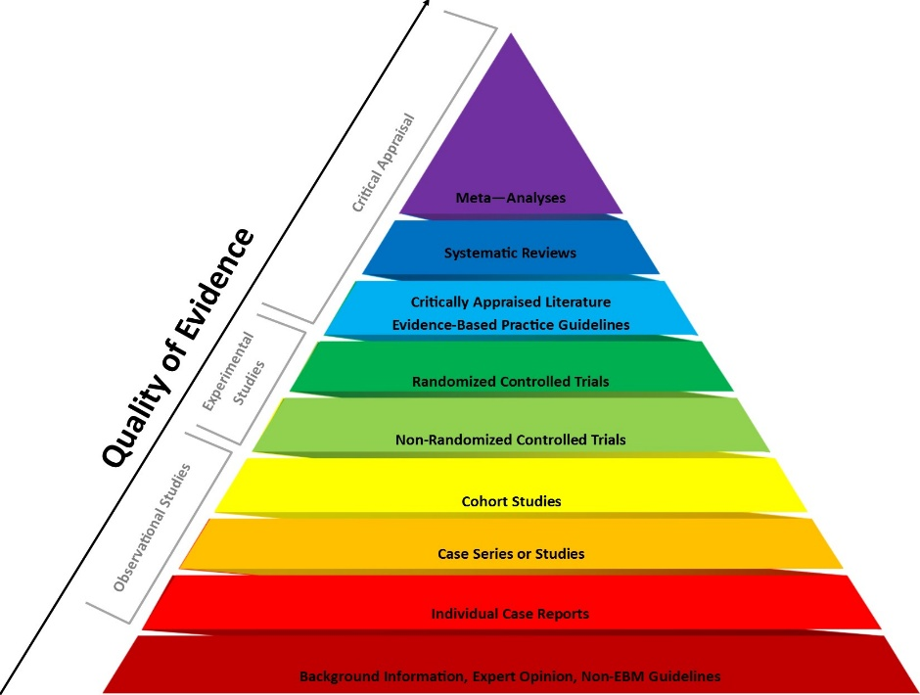
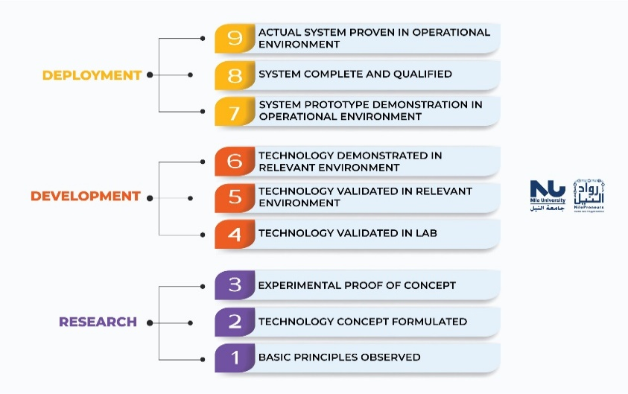
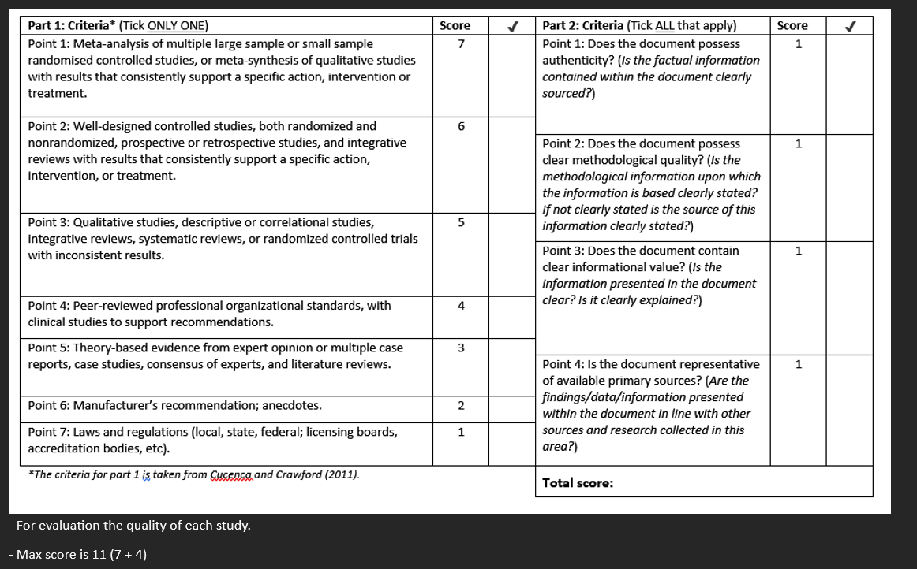
Data Extraction
 | Our name | author and year | (see chart below) | (General research area) | Their PICO/hypothesis | (What is being automated) | (what kind of machine learning, etc) | (how is the idea of RPA implemented) | Data coming into the system | System actions, what does it do based on input data | Technological Readiness Level (see chart) | What metrics did the authors use to evaluate the SA system and quantitatively answer the research question? | What benefits were observed? | What limitations were observed? | Authors final conclusions, summarized | Complete Quality Assessment questionaire
 | Reviewer | Article | Study Type | Application Area | Research Question Addressed | Population | Algorithms Used | Robotic Process | Input | Output | TRL | Evaluation Criteria | System Strengths | System Weaknesses | Key Findings | Quality Score
1 | Condrea Laurentiu | Cristina Iacono1, Marco Caianiello1, Serena Bartiromo, Aldo Smaldone1, Fanny Ficuciello1, 2024 | Cohort study | Suturing Gestures based on Kinematic and Force Information using DVRK | Not specified | DaVinci Research Kit | Artificial Neural Network, Deep reinforcement learning algorithms for wound approaching trajectories,Kinematics,Jacobian | using dVRK(daVinci Research Kit) | Kinematic data and force sensor data | Labeled dataset of surgical gestures | 3 or 4 | Based on the comparison they made on the datasets, they have reached a better accuracy with a certain dataset | extensive labeling | Lacks variation in surgical scenarios(patient movement...) | Dataset enables benchmarking for gesture classification in robotic surgery | 7
2 | Condrea Laurentiu | Bo Lu ,BinLi , Wei Chen , Yueming Jin Pheng-Ann Heng , Member, IEEE,ZixuZhao , Qi Dou, Member, IEEE, , Senior Member, IEEE, and Yunhui Liu, Fellow, IEEE,2022 | Case series or Studies | Robotic surgery automation - autonomous suture thread grasping | Not specified | DaVinci Research Kit | Learning based segmentation,Deep learning,3D Reconstruction,Kinematics,Computer vision,Hessian matrix,SSP(Sampling based Sliding Pairing), | dVRK+stereo vision imaging+autonomous grasping | Stereo images from endoscopic camera | 3D suture reconstruction, autonomous selection and execution of grasping maneuvers | 4 | Segmentation metrics, reconstruction error, grasp success rate, execution time,robustness to distubances | Vision to action integration | Environmental awareness is limited,grasping errors | The system achieves high levels of autonomy and robustness for suture grasping | 7
3 | Condrea Laurentiu | Yafei Ou, Student Member, IEEE, Sadra Zargarzadeh∗, Student Member, IEEE, Paniz Sedighi∗, Student Member, IEEE, and Mahdi Tavakoli, Senior Member, IEEE,2024 | Non-randomized controlled trials | Simulation of robotic surgical manipulation | Not specified | DaVinci Research Kit | PhYsX5,PBD(Position based dynamics),MTM(master tool manipulator),Reinforcement learning,Virtual reality(VR) and imitation learning algorithms,FEM(finite element method) | dVRK tool dynamics simulated; includes interaction with tools and organs | Visual + physical simulation input | Simulator output for tissue deformation, contact modeling | 4 | Trajectory realism, visual fidelity | Realistic contact modeling, real-time capability | No human validation | Simulator approximates realistic force/trajectory dynamics for surgical training | 7
1 | Alican Andrei | Ki-Hwan Oh, Leonardo Borgioli, Milo Zefran, Liaohai Chen and Pier Cristoforo Giulianotti 2024 | Non-Randomized controllrd trialls | An Automated System for Tissue Boundary-Guided Dissection | Can robotic dissection along tissue boundaries be automated using vision-based control? | DaVinci Research Kit | Detectron2 (segmentation & keypoints), stereo matching, KD-Tree, visual servoing | Dissection | Stereo endoscopic images, | Instrument trajectory along tissue boundary; successful dissectio | TRL 5 | Deviation from ideal trajectory (mm), segmentation accuracy (AP scores) | High precision; full pipeline (vision -> control); tested in real tissue models | No tissue deformation modeling; limited dataset; no in-vivo testing | System can accurately perform energy-based dissection along tissue boundaries | 9
2 | Alican Andrei | Ameya Pore, Eleonora Tagliabue, Marco Piccinelli, Diego Dall’Alba, Alicia Casals, Paolo Fiorini 2024 | Randomized controllrd trialls | Training Autonomous Systems for Soft-Tissue Retraction via Demonstration Learning | Can GAIL be used to automate soft-tissue retraction using few expert demonstrations? | DaVinci Research Kit | GAIL (Generative Adversarial Imitation Learning), PPO (baseline), DRL | Tissue retraction | Expert kinematic demonstrations, simulated state features | Grasp and retraction trajectory | TRL 4 | Tumor exposure % (TE), learning steps to convergence | Sample-efficient learning; transferable sim-to-real policy; robust behavior | Needs known target position; no visual perception yet; tested on limited setup | GAIL outperforms PPO in both learning speed and task success; works on real robot | 8
3 | Alican Andrei | Jiawei Fu, Yonghao Long, Kai Chen, Wang Wei, Qi Dou 2024 | Randomized controllrd trialls | Cross-Task Surgical Automation with GPT-Driven Multi-Objective Learning | How can GPT-based decision transformers be applied in goal-conditioned and multi-task surgical robot learning to improve automation, performance, and generalization? | DaVinci Research Kit | Goal-conditioned Decision Transformer (GPT-based), comparison with PLAS, IQL, BC, VINN, DT, DDPGBC, AMP, CoL, AWAC, DEX, ViSkill, T-STAR | Automation of surgical subtasks (e.g. needle handling, peg transfer, gauze retrieval) | Goal (g), Time-to-goal (T̂), Observation (o), Action history (a) | Predicted next action for the robot to execute | TRL 4 | Success rate (%), generalization across tasks, stability (std. dev.), ablation studies | High task vesatility, generalization across tasks | High data requirement for complex tasks, limited real world deployment validation | Cross-task pretraining, deployable on real dVRK with promising results | 8
1 | Sile Marius | Nicolò Pasini, Andrea Mariani, Adnan Munawar, Elena De Momi, Peter Kazanzides, year:2022 | Case Series or Studies | Robotic-assisted Minimally Invasive Surgery (MIS) | Does autonomous, situation-aware camera control improve surgical task performance over manual control? | DaVinci Research Kit | Situation-aware, phase-based autonomous camera tracking using Cartesian tool position | Autonomous camera movement during suturing, triggered by tool positions and surgical phase. | Tools’ 3D position in Cartesian space | Phase-specific camera motion (zooming, tracking, fixed FoV) | Technology validated in lab 4 | Completion time, path length, pedal presses, NASA TLX | Reduced cognitive load, improved task efficiency | Tested only in VR, with non-medical users | Autonomous camera improves workflow, reduces physical/mental demand | 7+3=10
2 | Sile Marius | Lin Zhang, Menglong Ye, Petros Giataganas, Michael Hughes and Guang-Zhong Yang | Experimental Study | Robotic-assisted Minimally Invasive Surgery (MIS) | Can autonomous robotic scanning with pCLE improve mosaicing accuracy and 3D fusion for surgical visualization? | DaVinci Research Kit | Visual servoing, Kalman filtering, ELAS stereo reconstruction, normalized cross-correlation | Autonomous pCLE scanning and mosaicing | Stereo laparoscope images, pCLE images, kinematic data | 2D mosaics, 3D fused reconstructions, real-time augmented views | Technology validated in lab 4 | Translational error (mm), rotational error (degrees), mosaic alignment accuracy (µm) | Sub-millimeter precision (0.21 mm error), real-time multi-scale visualization, reduced surgeon workload | Tissue deformation offsets in 3D reconstruction, limited to phantom/ex vivo testing | Autonomous scanning enables high-quality mosaicing and 3D fusion, enhancing intraoperative diagnosis. | 5+3=8
3 | Sile Marius | Irene Rivas-Blanco, Carlos J. Pérez-del-Pulgar, Andrea Mariani, Giuseppe Tortora, Antonio J. Reina year:2021 | Case Series or Studies | Robotic Surgery Surgical Skills Assessment | Can a large, timestamped dataset of kinematic and video data support automation and recognition of surgical tasks? | DaVinci Research Kit | Not specified | Capturing and synchronizing kinematics + video for gesture analysis, training, task recognition | 154 kinematic features, video recordings (1024×768 @15fps), user survey data | Raw data for evaluating gestures, task success, skill metrics | Technology validated in lab 4 | Execution time, task-specific penalties, total score | High-resolution data, synchronized multimodal input, ROS/MATLAB interface, diverse user pool | No real surgical tissue use, lacks applied ML results in paper | Dataset enables detailed gesture and skill evaluation and supports ML research; more users and data than JIGSAWS | 5+3=8
1 | Grigore Valentin | M. Allan , S. Ourselin, D. J. Hawkes, J. D. Kelly, and D. Stoyanov, 2018 | Experimental Study, Non-Randomized Controlled Trial | Computer vision in surgical robotics | Can image-based methods accurately estimate the 3D pose of articulated surgical instruments? | DaVinci Research Kit | Gradient-based optimization using silhouette and optical flow features | Enhancing instrument tracking for improved surgical automation | Endoscopic images capturing instrument movement | Estimated 3D pose of surgical instruments | Technology validated in lab (TRL 4) | Quantitative analysis of pose estimation errors across degrees of freedom | Non-invasive, cost-effective method with potential for real-time application | Performance may degrade with occlusions or poor image quality | Demonstrated feasibility of accurate 3D pose estimation using image-based techniques | 6+4=10
2 | Grigore Valentin | Ki-Hwan Oh, Leonardo Borgioli, Alberto Mangano, Valentina Valle et al. , 2024 | Observational Study(Dataset Creation), Case Series or Studies | Data collection for surgical robotics | Can a comprehensive dataset improve automation in robotic-assisted cholecystectomy? | DaVinci Research Kit | Predictive models for clutch usage and camera activation | Facilitating development of assistive and autonomous surgical functions | Kinematic data, pedal signals, endoscopic video recordings | Annotated dataset enabling machine learning applications | Experimental proof of concept (TRL 3) | Model accuracy in predicting surgical actions; completeness of dataset | Comprehensive, multi-modal dataset supporting various research avenues | Limited to EX vivo procedures; may not capture IN vivo complexities | Dataset bridges critical gaps, enabling advanced models for surgical automation | 5 + 4 = 9
3 | Grigore Valentin | Eleonora Tagliabue, Ameya Pore, Diego Dall’Albal, Enrico Magnabosco,Marco Piccinelli, Paolo Fiorini, 2020 | Experimental Study, Non-Randomized Controlled Trial | Reinforcement Learning in surgical robotics | Can a simulation environment train RL(reinforcement learning)) agents for soft tissue manipulation tasks in robotic surgery? | DaVinci Research Kit | Proximal Policy Optimization (PPO) | Autonomous tissue manipulation via RL-trained policies | Simulated anatomical models and end-effector states | Learned policies for tissue manipulation tasks | Technology validated in lab (TRL 4) | Success rate of tumor exposure; robustness to initial conditions | Open-source, modular simulation environment; successful simulation-to-real transfer | Limited to specific tasks; real-world validation limited | Demonstrated that RL(reinforcement-learning) agents trained in simulation can perform soft tissue manipulation tasks on real robotic systems | 6+4=10
13 | Chirion Bogdan | Xin Ma, Chengzhi Song, Philip Waiyan Chiu, Zheng Li 2019 | Case Series or Studies | Robotic-assisted minimally invasive surgery (MIS) – specifically endoscopic guidance and instrument tracking integrated with the da Vinci Research Kit (DVRK). | Can an autonomous flexible endoscope integrated with the DVRK improve safety and tracking performance in MIS compared to traditional rigid endoscopes? | DaVinci Research Kit | Visual servoing, 3D kinematic modeling, optimal control via Levenberg–Marquardt (no deep ML) | Uses tendon-driven continuum mechanism with integrated visual feedback for minimal-motion control | Real-time RGBD and image data (with green markers) plus robot joint measurements | Processes images to locate green markers; Computes tracking error and generates control commands for minimal motion adjustments | 6 (Demonstrated in ex vivo/lab conditions) | Better image recognicion , task succesful rates | ~40% surface error and ~51% depth error reduction compared to teleoperation | Tested only in controlled ex vivo settings; further clinical validation needed | Promising approach for improving safety and precision in MIS via autonomous endoscope control | 7
14 | Chirion Bogdan | Tamas D. Nagy and Tamas Haidegger 2022 | Case Series or Studies | Autonomous execution of the peg transfer task as a step toward Surgery 4.0 | Can an autonomous peg transfer system reliably perform the task as a gateway to advanced surgical automation? | DaVinci Research Kit | Vision-based tracking with simple segmentation; trajectory planning via interpolation and filtering methods | Processes camera images to identify peg positions and target slots, computes minimal motion trajectories, and autonomously controls the robotic arm to grasp and transfer pegs | Visual sensor data from cameras and robot kinematics | Optimized trajectories generating successful autonomous peg transfers | 6 (Demonstrated under laboratory conditions) | Task success rate, completion time, accuracy of peg placement, and consistency compared with manual methods | Improves repeatability and reduces operator workload; establishes a feasible step toward Surgery 4.0 | Limited to controlled conditions; further testing needed in more variable surgical environments | Autonomous peg transfer shows promise as a gateway to increased surgical automation, enhancing precision and efficiency in core tasks | 8
15 | Chirion Bogdan | Nikhil U. Shinde, Zih-Yun Chiu, Florian Richter, Jason Lim, Yuheng Zhi, Sylvia Herbert, and Michael C. Yip 2024 | Non-Randomized controlled trialls , case series or studies | Surgical Automation, Minimally Invasive Surgery | vDoes SURESTEP improve tool tracking and regrasp performance under uncertainty? | DaVinci Research Kit | Uses uncertainty modeling (Gaussian noise propagation, EKF) and gradient-based optimization (LBFGS) to minimize the final covariance trace; model-based | Refines baseline trajectories by optimizing for lower uncertainty, leading to more robust tool tracking during needle regrasp | Endoscopic image data, robot kinematics, and estimated uncertainty from motion/observation noise | Optimized joint trajectories with lower tracking uncertainty, leading to improved regrasp success | 4 (Validated in lab/simulation with dVRK under relevant noisy conditions) | Positional/orientation errors, covariance trace/entropy, and regrasp success rates | Improved tool tracking accuracy and robustness despite noise and camera motion; higher success in needle regrasp tasks | Requires careful tuning of uncertainty parameters; computational load may affect real-time performance | SURESTEP significantly reduces uncertainty in surgical tool pose, enhancing the reliability of automated surgical tasks | 6
16
17
18 |  |  |  |  |  |  |  |  |  |  | kevin.dominey@spacescience.ro

 | Examples of types of scientific studies: |  |  | Technological readiness level (TRL): |  |  | PRISMA Diagram

